Energy_item
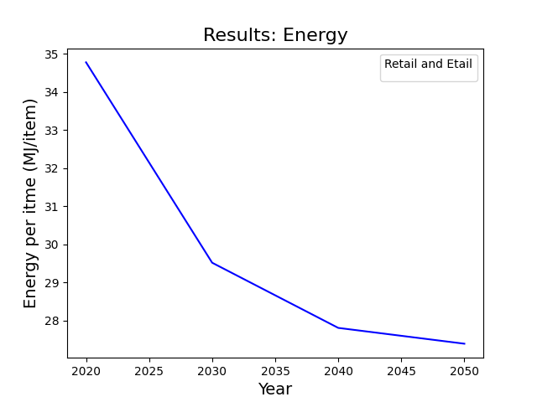
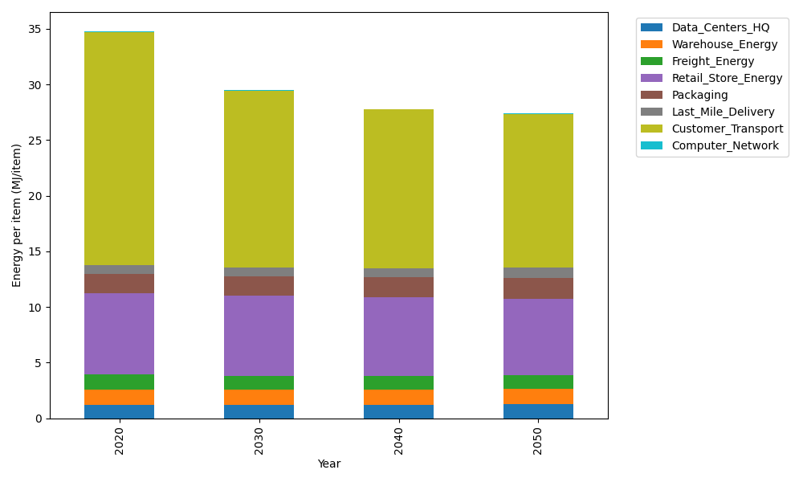
Years | Data_Centers_HQ | Warehouse_Energy | Freight_Energy | Retail_Store_Energy | Packaging | Last_Mile_Delivery | Customer_Transport | Computer_Network | Total
2020 | 1.2374454567 | 1.3412521336 | 1.3790575333 | 7.3082998956 | 1.6924080531 | 0.81355820711 | 20.958883673 | 0.042947817313 | 34.77385277
2030 | 1.2398035056 | 1.356587429 | 1.2443316059 | 7.1789947745 | 1.7482184297 | 0.7969223486 | 15.906114282 | 0.047965773574 | 29.518938149
2040 | 1.2421872542 | 1.3720898593 | 1.1971405886 | 7.0482803945 | 1.8046370673 | 0.83204907048 | 14.260680059 | 0.05303841908 | 27.810102713
2050 | 1.2445493503 | 1.3874514755 | 1.2217856842 | 6.9187533404 | 1.8605432342 | 0.89972639903 | 13.804581548 | 0.058064987918 | 27.395456019

CO2_item
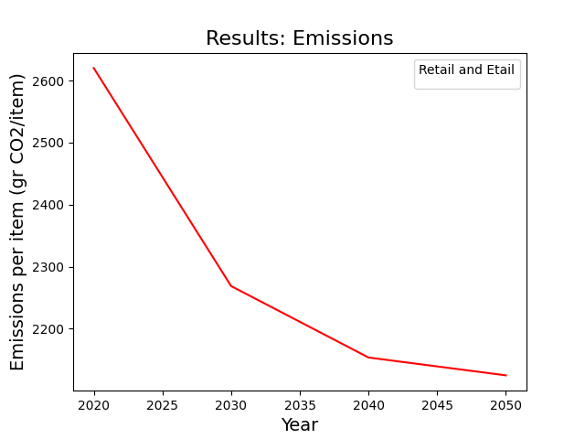
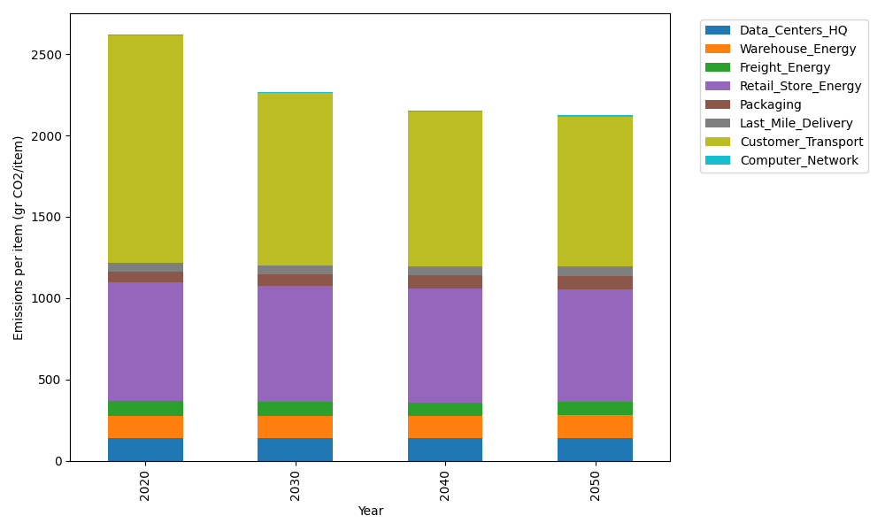
Years | Data_Centers_HQ | Warehouse_Energy | Freight_Energy | Retail_Store_Energy | Packaging | Last_Mile_Delivery | Customer_Transport | Computer_Network | Total
2020 | 140.15123629 | 133.8957558 | 93.904636487 | 728.82211648 | 65.595874581 | 55.845180115 | 1394.6935177 | 7.2443006299 | 2620.1526181
2030 | 140.46236419 | 135.4334372 | 84.568042113 | 715.9271295 | 71.157981174 | 54.703242751 | 1058.4606903 | 8.0907134625 | 2268.8036007
2040 | 140.77688299 | 136.98787735 | 81.239152304 | 702.89160381 | 76.780707548 | 57.114450816 | 948.96647869 | 8.9463511021 | 2153.7035046
2050 | 141.08854489 | 138.52819795 | 82.842131406 | 689.97448449 | 82.352360672 | 61.760034339 | 918.61573829 | 9.7942166767 | 2124.9557087

